CNN
 | Translation Invariance
 |  | When you want to train classifier such a way that, it does not matter where is the cat in an image,it should only focus on the cat in the image .

 |  | Images uses weights sharing for same feature in convolutional neural networks, whereas texts and sequences in general will lead us embedding recurrent neural networks
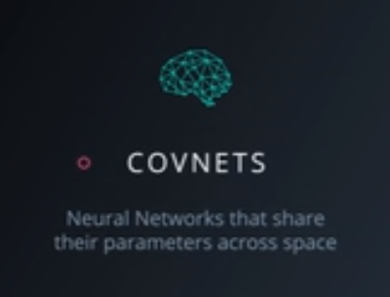
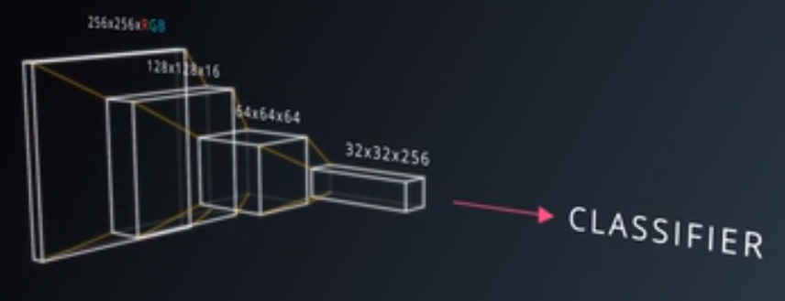

 | Image has height width and depth ( since R , G and B colors)
 |  |  |  |  |  |  | Convolutoins will sqeeze the special dimensions while increasing the depth which corresponds to sementic complexity of your representation.

 |  | Patchhes are called as kernals sometimes
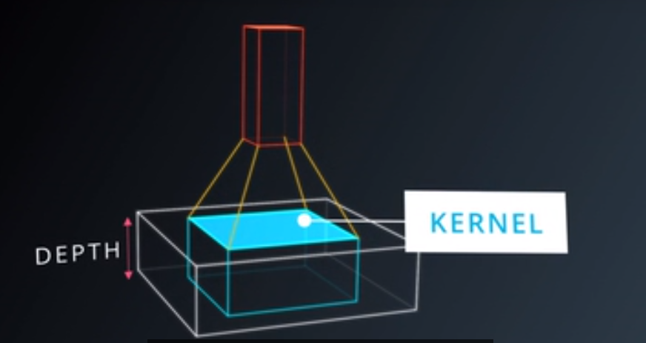
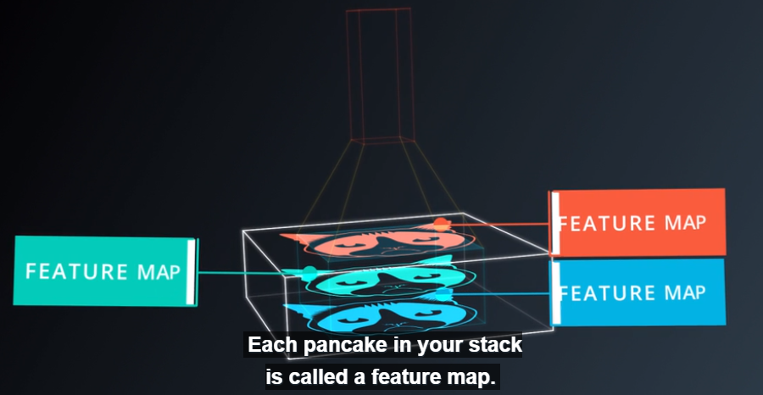

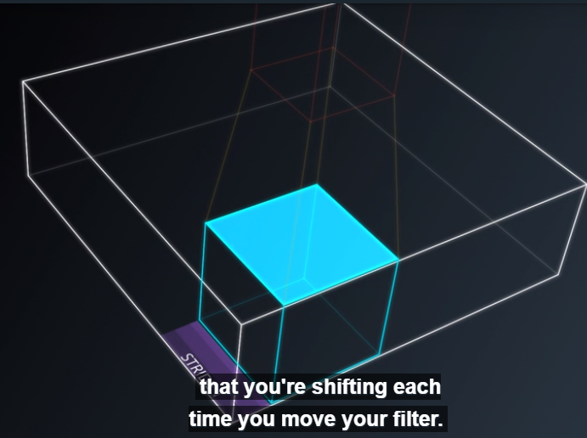
 |  | kernal = patches
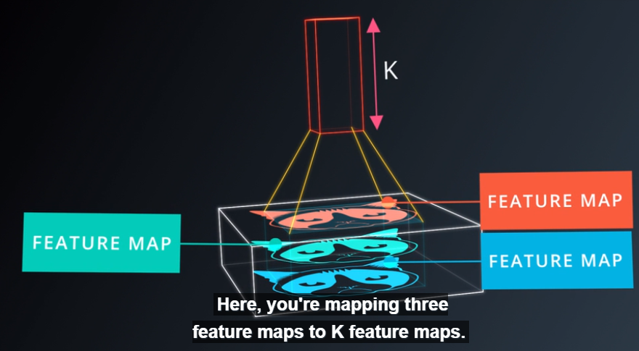

 |  |  |  |  |  |  |  |  |  | Number of pixels shifting when we move the filter.
 |  | Same Padding and MultiPadding

With deep learning, we don't actually program the CNN to recognize these specific features. Rather, the CNN learns on its own to recognize such objects through forward propagation and backpropagation!

 | Breaking up an Image
 |  | The first step for a CNN is to break up the image into smaller pieces. We do this by selecting a width and height that defines a filter.
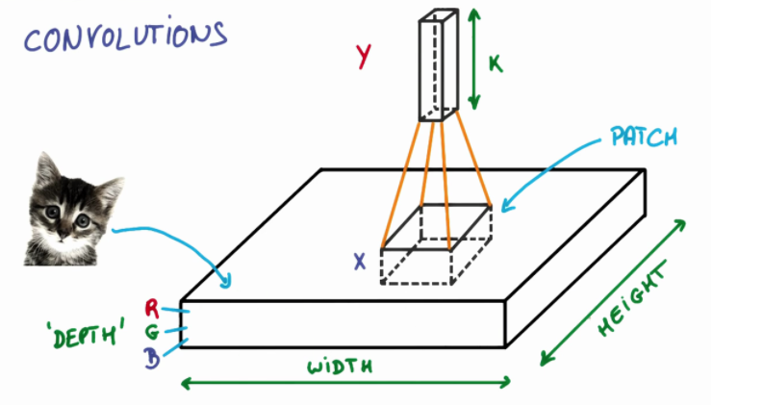
 |  |  |  |  |  |  |  |  |  |  |  | We then simply slide this filter horizontally or vertically to focus on a different piece of the image.
 |  |  |  |  |  |  |  |  |  |  |  | The amount by which the filter slides is referred to as the 'stride'.
 |  |  |  |  |  |  |  |  |  |  |  | The stride is a hyperparameter which we have to tune.
 |  |  |  |  |  |  |  |  |  |  |  | Increasing the stride reduces the size of your model by reducing the number of total patches each layer observes
 |  |  |  |  |  |  |  |  |  |  |  | But then accuracy gets reduced for big strides.
 |  |  |  |  |  |  |  |  |  |  |  | What's important here is that we are grouping together adjacent pixels and treating them as a collective.

 |  | Filter Depth
 |  |  | Different filters pick up different qualities of a patch.
 |  |  | The amount of filters in a convolutional layer is called the filter depth
 |  |  | Like one filter look for color, another for shape and so on.
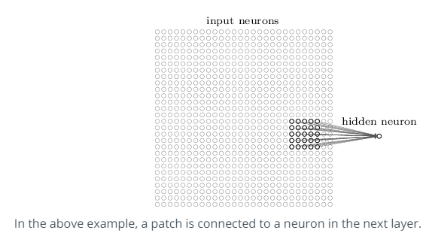

 |  |  | How many neurons does each patch connect to?
 |  |  |  | That’s dependent on our filter depth. If we have a depth of k, we connect each patch of pixels to k neurons in the next layer
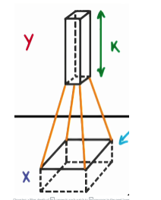

 |  |  |  |  |  |  | Choosing a filter depth of k connects each patch to k neurons in the next layer.
 |  |  |  |  |  |  | Multiple neurons can be useful because a patch can have multiple interesting characteristics that we want to capture

 |  |  | E.g.
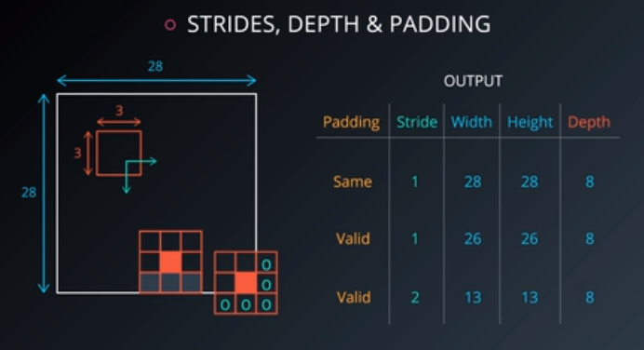
 |  |  |  |  |  |  |  |  |  |  |  |  | What are the width, height and depth for padding = 'same', stride = 1?
 |  |  |  |  |  |  |  |  |  |  |  |  | What are the width, height and depth for padding = 'valid', stride = 1?
 |  |  |  |  |  |  |  |  |  |  |  |  | What are the width, height and depth for padding = 'valid', stride = 2?

 |  |  | Parameter Sharing

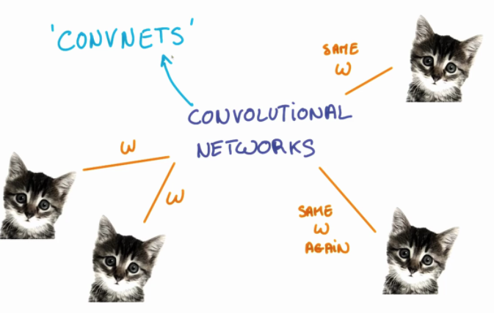
 |  |  |  |  |  |  |  |  |  |  |  |  | The weights, w, are shared across patches for a given layer in a CNN to detect the cat above regardless of where in the image it is located.

 |  |  |  |  |  |  |  |  |  |  |  |  | The weights and biases we learn for a given output layer are shared across all patches in a given input layer.

 |  |  |  |  |  |  |  |  |  |  |  |  | Note that as we increase the depth of our filter, the number of weights and biases we have to learn still increases, as the weights aren't shared across the output channels.

 |  |  |  | Dimensionality

 |  |  |  |  | From what we've learned so far, how can we calculate the number of neurons of each layer in our CNN?

 |  |  |  |  | our input layer has a width of W and a height of H
 |  |  |  |  | our convolutional layer has a filter size F
 |  |  |  |  | we have a stride of S
 |  |  |  |  | padding of P
 |  |  |  |  | the number of filters K,
 |  |  |  |  |  |  |  |  | width of the next layer: W_out =[ (W−F+2P)/S] + 1.

 |  |  |  |  |  |  |  |  | The output height would be H_out = [(H-F+2P)/S] + 1.

 |  |  |  |  |  |  |  |  | the output depth would be equal to the number of filters D_out = K.

 |  |  |  |  |  |  |  |  | The output volume would be W_out * H_out * D_out.

 |  |  |  |  |  | SAME Padding, the output height and width are computed as:
 |  |  |  |  |  |  |  | out_height = ceil(float(in_height) / float(strides[1]))
 |  |  |  |  |  |  |  | out_width = ceil(float(in_width) / float(strides[2]))

 |  |  |  |  |  | VALID Padding, the output height and width are computed as:
 |  |  |  |  |  |  |  | out_height = ceil(float(in_height - filter_height + 1) / float(strides[1]))
 |  |  |  |  |  |  |  | out_width = ceil(float(in_width - filter_width + 1) / float(strides[2]))

 |  |  |  | E.g. | H = height, W = width, D = depth
 |  |  |  |  | We have an input of shape 32x32x3 (HxWxD)
 |  |  |  |  | 20 filters of shape 8x8x3 (HxWxD)
 |  |  |  |  | A stride of 2 for both the height and width (S)
 |  |  |  |  | With padding of size 1 (P)

 |  |  |  |  | new_height = (input_height - filter_height + 2 * P)/S + 1 |  |  |  |  |  |  | (32 - 8 + 2 * 1)/2 + 1 = 14
 |  |  |  |  | new_width = (input_width - filter_width + 2 * P)/S + 1 |  |  |  |  |  |  | (32 - 8 + 2 * 1)/2 + 1 = 14

 |  |  |  |  | the new depth is equal to the number of filters, which is 20.

 |  |  |  | Code : |  | input = tf.placeholder(tf.float32, (None, 32, 32, 3))
 |  |  |  |  |  | filter_weights = tf.Variable(tf.truncated_normal((8, 8, 3, 20))) # (height, width, input_depth, output_depth)
 |  |  |  |  |  | filter_bias = tf.Variable(tf.zeros(20))
 |  |  |  |  |  | strides = [1, 2, 2, 1] # (batch, height, width, depth)
 |  |  |  |  |  | padding = 'SAME'
 |  |  |  |  |  | conv = tf.nn.conv2d(input, filter_weights, strides, padding) + filter_bias

 |  |  |  |  | the output shape of conv will be [1, 16, 16, 20]
 |  |  |  |  | It's 4D to account for batch size, but more importantly, it's not [1, 14, 14, 20]

 |  |  | calculate the number of parameters of the convolutional layer.
 |  |  | Without parameter sharing, each neuron in the output layer must connect to each neuron in the filter
 |  |  | In addition, each neuron in the output layer must also connect to a single bias neuron

 |  |  |  |  | Total Parameters : (8 * 8 * 3 + 1) * (14 * 14 * 20) = 756560 |  |  |  |  |  | 8 * 8 * 3 is the number of weights,
 |  |  |  |  |  |  |  |  |  |  | add 1 for the bias
 |  |  |  |  |  |  |  |  |  |  | each weight is assigned to every single part of the output (14 * 14 * 20)

 |  |  | calculate the number of parameters in the convolutional layer, if every neuron in the output layer shares its parameters with every other neuron in its same channel.

 |  |  |  | the number of parameters actually used in a convolution layer (tf.nn.conv2d()).

 |  |  |  | Setup |  |  |  |  |  | Output Layer
 |  |  |  | H = height, W = width, D = depth |  |  |  |  |  | 14x14x20 (HxWxD)
 |  |  |  | We have an input of shape 32x32x3 (HxWxD)
 |  |  |  | 20 filters of shape 8x8x3 (HxWxD)
 |  |  |  | A stride of 2 for both the height and width (S)
 |  |  |  | Zero padding of size 1 (P)

 |  |  |  | With parameter sharing, each neuron in an output channel shares its weights with every other neuron in that channel.
 |  |  |  | So the number of parameters is equal to the number of neurons in the filter , plus a bias neuron, all multiplied by the number of channels in the output layer.

 |  |  |  |  | Total parameters after sharing : (8 * 8 * 3 + 1) * 20 = 3840 + 20 = 3860 |  |  |  |  |  |  | 3840 weights and 20 biases.
 |  |  |  |  |  |  |  |  |  |  |  | Remember, with weight sharing we use the same filter for an entire depth slice
 |  |  |  |  |  |  |  |  |  |  |  | Because of this we can get rid of 14 * 14 and be left with only 20.

CNETs
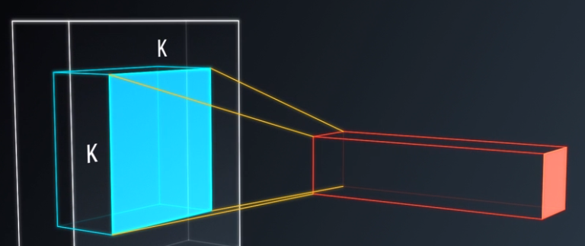
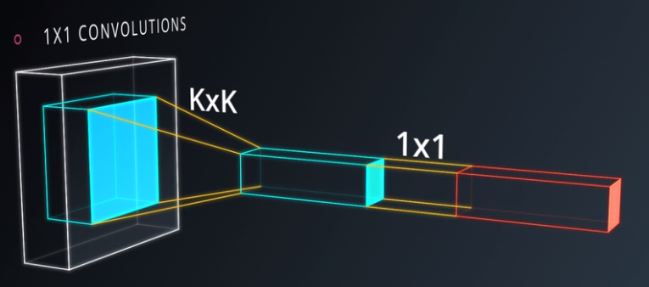
TensorFlow Convolution Layer

 | To improve Convnets , you need to do following:
 |  | Pooling
 |  | 1*1 convolutions
 |  | Inception Architecture

 | Maxpooling :
 |  | y = max(xi)
 |  | every point in feature map looks at small neighbourhood around that point and compute the maximum of all the responses around it.

 | Advantages : |  | It doesn’t add to the number of parameters , so risk of overfitting.
 |  |  | More accurate model
 |  |  | More hyper parameters : Pooling size , pooling stride ,

 | TensorFlow provides the tf.nn.max_pool() function to apply max pooling to your convolutional layers.
 | the benefit of the max pooling operation is to reduce the size of the input, and allow the neural network to focus on only the most important elements.
 | Max pooling does this by only retaining the maximum value for each filtered area, and removing the remaining values.
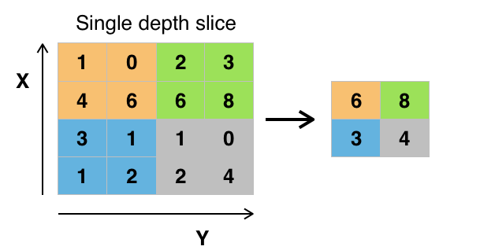

 |  |  |  | Maxpooling example

 |  |  |  |  | decrease the size of the output and prevent overfitting
 |  |  |  |  | Reducing overfitting is a consequence of the reducing the output size, which in turn, reduces the number of parameters in future layers.

 |  |  |  |  | Disadvantages
 |  |  |  |  | Recent datasets are so big and complex we're more concerned about underfitting
 |  |  |  |  | Dropout is a much better regularizer.
 |  |  |  |  | Pooling results in a loss of information

 | Averagepooling : |  | y = mean(xi)
 |  | Instead of max , take average over the window of pixels around specific location.

 | Architecture of Convnet :
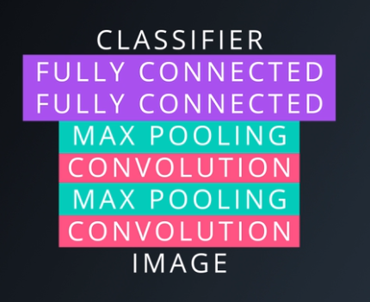
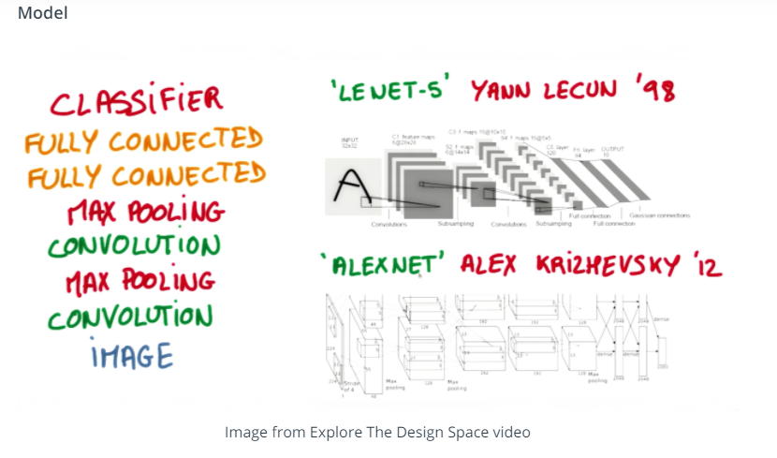

 | 1 * 1 convolutions :
 |  | Classical convolutions are linear classifiers : |  |  | When you add 1*1 convolution in middle , it turned to be mini neural network working over the patch.

LeNet architecture
Preprocessing |  | LeNet architecture
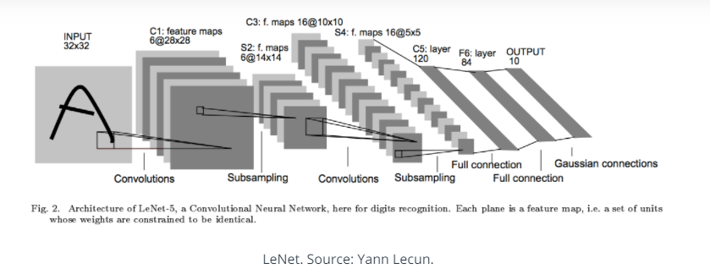

 |  | An MNIST image is initially 784 features (1D).
 |  | If the data is not normalized from [0, 255] to [0, 1], normalize it.
 |  | We reshape this to (28, 28, 1) (3D), and pad the image with 0s such that the height and width are 32 (centers digit further).
 |  | Thus, the input shape going into the first convolutional layer is 32x32x1.

 |  | Specs
 |  |  | Convolution layer 1. The output shape should be 28x28x6.
 |  |  | Activation 1. Your choice of activation function.
 |  |  | Pooling layer 1. The output shape should be 14x14x6.
 |  |  | Convolution layer 2. The output shape should be 10x10x16.
 |  |  | Activation 2. Your choice of activation function.
 |  |  | Pooling layer 2. The output shape should be 5x5x16.
 |  |  | Flatten layer. Flatten the output shape of the final pooling layer such that it's 1D instead of 3D. The easiest way to do is by using tf.contrib.layers.flatten, which is already imported for you.
 |  |  | Fully connected layer 1. This should have 120 outputs.
 |  |  | Activation 3. Your choice of activation function.
 |  |  | Fully connected layer 2. This should have 84 outputs.
 |  |  | Activation 4. Your choice of activation function.
 |  |  | Fully connected layer 3. This should have 10 outputs.
 |  |  | You'll return the result of the final fully connected layer from the LeNet function.

 |  |  | You'll return the result of the final fully connected layer from the LeNet function. |  | EPOCH 1 ...
 |  |  |  |  | Validation loss = 52.809
 |  |  |  |  | Validation accuracy = 0.864

 |  |  |  |  | EPOCH 2 ...
 |  |  |  |  | Validation loss = 24.749
 |  |  |  |  | Validation accuracy = 0.915 | etc

 | LeNet-5
 | Steps:
 | 1 | Load the MNIST data, which comes pre-loaded with TensorFlow. You do not need to modify this section.
 | 2 | The MNIST data that TensorFlow pre-loads comes as 28x28x1 images.
 | 3 | However, the LeNet architecture only accepts 32x32xC images, where C is the number of color channels.
 | 4 | In order to reformat the MNIST data into a shape that LeNet will accept, we pad the data with two rows of zeros on the top and bottom, and two columns of zeros on the left and right
 |  | (28+2+2 = 32).
 | 5 | View a sample from the dataset.
 | 6 | Data preprocessing :Shuffle the training data.
 | 7 | Setup TensorFlow |  | The EPOCH and BATCH_SIZE values affect the training speed and model accuracy.
 | 8 | Implement LeNet-5
 |  |  | Input
 |  |  | The LeNet architecture accepts a 32x32xC image as input, where C is the number of color channels. Since MNIST images are grayscale, C is 1 in this case.
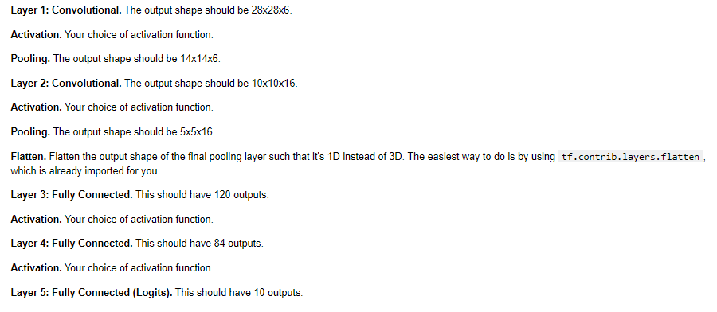
 |  |  | Architecture

 |  |  | Train the LeNet
 |  |  |  | x is a placeholder for a batch of input images. y is a placeholder for a batch of output labels.

 |  |  | Evaluate how well the loss and accuracy of the model for a given dataset.
 |  |  | Before each epoch, shuffle the training set.
 |  |  | After each epoch, measure the loss and accuracy of the validation set.
 |  |  | Save the model after training.
 |  |  | Evaluate the Model
 |  |  | Once you are completely satisfied with your model, evaluate the performance of the model on the test set.
 |  |  |  | Be sure to only do this once!

